Offer
Spin Master, Hasbro & Nerf Closeouts

Pick & Choose.

Owner has license to sell in the USA.

Quantity: 593,266 units

Location: Los Angeles, CA

Subject to change and prior sale.

Image | Item# | Description | Pack | IN | Origin | UPC | UCC | Case Size | Wt | Cube | Tie | Hi | Item Size | Item Wt | # Units | Prices
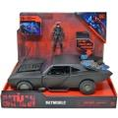 | 6060519 | Spin Master - DC Comics, Batman Batmobile with 4” Batman Figure, Lights and Sounds | 1 |  | Vietnam | 778988366301 | 50778988366306 | 15" x 8" x 13" | 3 | 0.91 | 15 | 7 | 14" x 7.25" x 11.7" | 34 | 702 | $14.15
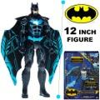 | 6061884 | Batman Bat-Tech 12-inch Deluxe Action Figure with Expanding Wings | 2 |  | China | 778988373156 | 50778988373151 | 10" x 8" x 14" | 3 | 0.65 | 25 | 6 | 9" x 3.5" x 12.5" | 19 | 1,119 | $14.15
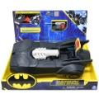 | 6062755 | Spin Master - Batman, Tech Defender Batmobile, Transforming Vehicle with Blaster Launcher | 1 |  | China | 778988376768 | 50778988376763 | 15" x 9" x 13" | 3 | 1.02 | 14 | 7 | 14" x 8" x 12" | 36 | 3,780 | $9.75
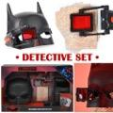 | 6060521 | Spin Master - Batman Detective Set | 3 |  | Vietnam | 778988366349 | 50778988366344 | 16" x 10" x 11" | 4 | 1.02 | 13 | 8 | 15" x 3" x 10" | 19 | 1,450 | $8.15
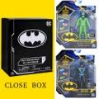 | 6061415 | Spin Master - DC Comics Batman 4 inch Batman & The Riddler Action Figures with 6 Mystery Accessories | 6 |  | China | 778988369975 | 50778988369970 | 12" x 10" x 8" | 4 | 0.55 | 16 | 12 | 5.75" x 3" x 6.5" | 8.2 | 3,765 | $7.05
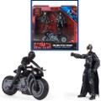 | 6060832 | Spin Master - DC Comics Batman, Selina Kyle Chase Pack, Exclusive 4” | 3 |  | Vietnam | 778988368411 | 50778988368416 | 10" x 10" x 10" | 2 | 0.58 | 20 | 9 | 9" x 3" x 9" | 10.4 | 6,335 | $6.45
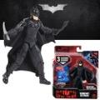 | 6064623 | DC Comics The Wingsuit Batman 4-inch Action Figure | 6 |  | China | 778988342077 | 50778988342072 | 11" x 4" x 6" | 1 | 0.15 | 39 | 16 | 5.5" x 1.25" x 6.25" | 2.6 | 946 | $5.35
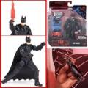 | 6061619 | Spin Master - DC Comics, Batman 4-inch Action Figure with 3 Accessories and Mystery Card | 6 |  | Vietnam | 778988371664 | 50778988371669 | 11" x 5" x 6" | 1 | 0.19 | 36 | 16 | 5.5" x 1.25" x 6.25" | 2.3 | 3,705 | $4.58
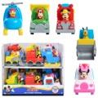 | 38735 | Just Play Disney "let's Work!" Vehicle Assort.in pdq | 12 |  | China | 886144387395; (2) Donald Ducks helicopter 886144387401; (2) Pluto Bulldozer 886144387364; (2) Goofys Dump truck 886144387388; (3) Minnie Mouse ambulance 886144387371; (3) Mickey Mouse Fire engine | 50886144387390 | 13" x 7" x 11" | 3 | 0.58 | 21 | 8 | 2.25" x 3.5" x 3" | 2.5 | 11,393 | $2.82
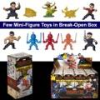 | F0557 | Hasbro Marvel Superhero Shang-Chi and The Legend of The Ten Rings Brick Breaker in PDQ | 12 |  | China | 630509988818 | 50630509988810 | 13" x 7" x 7" | 3 | 0.37 | 20 | 13 | 3" x 2.25" x 6.25" | 2.8 | 247 | $2.93
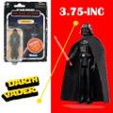 | F57715X10 | Star Wars Retro Darth Vader | 8 |  | Vietnam | 5210994152345 | 50521099415230 | 6" x 5" x 9" | 1 | 0.16 | 35 | 16 | 6" x 1.25" x 9" | 2 | 10 | $4.14
 | E85375L00 | Hasbro Dreamworks Trolls World Tour Tiny Dancers Find Your Beat Pack | 10 |  | China | 010993671113; | 50010993671113 | 13" x 9" x 6" | 2 | 0.41 |  |  | 12.5" x 1" x 4.75" | 4 | 4,351 | $4.25
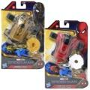 | F02355L00 | Hasbro Spiderman Hero Blaster Asst. | 6 |  | Vietnam | 010993842506; (3) Thwip shot 010993842636; (3) Stretch shot | 50010993842506 | 15" x 7" x 7" | 2 | 0.43 | 18 | 13 | 6" x 2.25" x 9" | 4.6 | 2,869 | $5.35
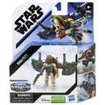 | E96005X21 | Hasbro, Star Wars MFGC Boba Fett 2.5-Inch-Scale Figure and Vehicle | 8 |  | China | 010993959068 | 50010993959068 | 9" x 7" x 7" | 2 | 0.25 | 30 | 13 | 6" x 1.5" x 7.25" | 2.7 | 1,050 | $5.35
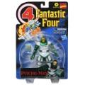 | F03535X00 | Hasbro Marvel LEGENDS RETRO 6IN PSYCHO MAN | 6 |  | China | 5010993842537 | 50501099384255 | 17" x 7" x 9" | 4 | 0.62 | 18 | 10 | 8.5" x 2" x 13" | 10 | 3,563 | $6.45
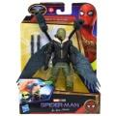 | F19195X00 | Hasbro Spiderman NWH 6in Deluze Vulture | 6 |  | Vietnam | 5010993823512 | 50501099382350 | 16" x 7" x 10" | 3 | 0.65 | 18 | 9 | 6.5" x 2.5" x 9" | 7 | 1,035 | $6.45
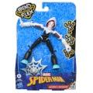 | E76885X21 | Spinderman Bend & Flex Ghost Spider | 8 |  | Vietnam | 5040993791767 | 50504099379177 | 15" x 7" x 10" | 3 | 0.6 | 18 | 9 | 6.5" x 2" x 9.25" | 5 | 1,324 | $6.45
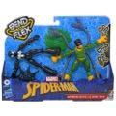 | F02395L00 | Marvel Spider-Man Bend and Flex Black Suit Spider-Man Vs. Doc Ock Action Figure | 6 |  | Vietnam | 5010993789825 | 50501099378988 | 13" x 12" x 10" | 4 | 0.91 | 12 | 9 | 12" x 2" x 9" | 9.4 | 3,292 | $9.25
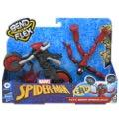 | F02365L00 | Spider-Man Marvel Bend and Flex, Flex Rider Action Figure | 4 |  | Vietnam | 5010993789740 | 50501099378971 | 13" x 11" x 10" | 4 | 0.83 | 16 | 9 | 12" x 2.75" x 9" | 11 | 2,250 | $9.25
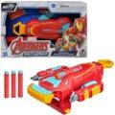 | F0266AS00 | Avengers Mech Strike IM Strikeshot Gauntlet | 4 |  | China | 630509990139 | 50630509990134 | 9" x 14" x 11" | 6 | 0.81 | 15 | 8 | 14" x 2.75" x 9" | 22 | 1,735 | $9.25
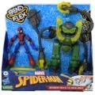 | F31255L00 | Hasbro Marvel Spider-Man Bend & Flex | 3 |  | Vietnam | 5010993874811; (13) number upc | 50501099387485 | 13" x 10" x 13" | 5 | 0.98 | 16 | 7 | 12" x 3.25" x 12" | 21 | 3,228 | $13.65
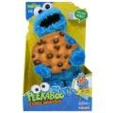 | E8417US20 | Sesame Street Peekaboo Cookie Monster Talking 13-Inch Plush Toy for Toddlers | 2 |  | China | 630509915231 | 50630509915236 | 10" x 10" x 16" | 3 | 0.93 | 20 | 6 | 9" x 5" x 15" | 22 | 1,098 | $16.13
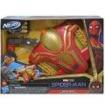 | F0237AS00 | Hasbro Spiderman No Way Home MOVIE HERO NERF BLASTER | 3 |  | Vietnam | 630509998340 | 50630509998345 | 14" x 10" x 11" | 4 | 0.89 | 16 | 8 | 13" x 3" x 10" | 20 | 410 | $8.15
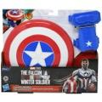 | F58785L00 | Marvel The Falcon and The Winter Soldier Captain America Magnetic Shield & Gauntlet F2622 | 6 |  | China | 5010993986149 | 50501099398610 | 13" x 12" x 11" | 5 | 0.99 | 12 | 8 | 12" x 2" x 10.5" | 12 | 236 | $8.15
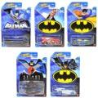 | HDG89956F | Mattel RD Hot Wheels Themed Batman Assort | 10 |  | Malaysia | 194735113804; (2) Batplane 194735113712; (2) Ballistk 194735113729; (2) Batmobile grey 194735113835; (2) The vanster 194735113781; (2) Batmobile | 50194735113809 | 7.5" x 7.5" x 5" | 1.35 | 0.16 | 48 | 13 | 4.25" x 1.25" x 6.25" | 1.6 | 7,572 | $2.76
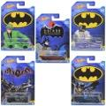 | HDG89956D | Mattel DP Hot Wheels Batman Themed Ast | 10 |  | Malaysia | 194735023547; (1) Ryura LX 194735023554; (1) Screamliner 194735023530; (2) Batman the animated series 194735023561; (3) Batmobile 194735025541; (3) Arkman knight batmobile batman | 50194735023542 | 8" x 7" x 5" | 1 | 0.16 | 48 | 13 | 4.25" x 1.25" x 6.5" | 2 | 34,022 | $2.76
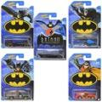 | HDG89956E | Mattel DP Hot Wheels Batman Themed Ast | 10 |  | Malaysia | 194735113828; (2) Batmobile 194735113736; (2) Batcopter 194735113798; (2) Audacious 194735113873; (2) Hw rapid responder 194735113897; (2) Batman the animated series | 50194735113823 | 8" x 7" x 5" | 1 | 0.16 | 48 | 13 | 4.25" x 1.25" x 6.5" |  | 2,118 | $2.76
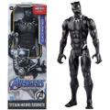 | E7876EL71 | Black Panther Titan Heroes Figure | 16 | 4 | China | 630509910113 | 50630509910118 | 19" x 10" x 13" | 10 | 1.43 | 10 | 7 | 4" x 2" x 12" | 8 | 19,520 | $5.35
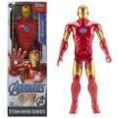 | E7873EL71 | Hasbro Avengers Marvel Titan Hero Series Blast Gear Iron Man Action Figure | 16 | 4 | China | 630509910168 | 50630509910163 | 19" x 9" x 14" | 10 | 1.38 | 10 | 6 | 4" x 2" x 12" | 8.4 | 47,703 | $5.35
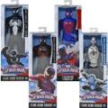 | A87260001 | Hasbro Marvel Ultimate SpiderMan Titan Hero Series 12" Action Figure Asst. | 8 |  | China | 653569991397; (2) Armored spiderman 653569969679; Spiderman (2) Ultimate 010994810115; Spider-man (2)2099 653569991403; Black suit (2) spiderman | 50653569991392 | 9" x 9" x 13" | 6 | 0.61 | 30 | 7 | 4" x 2" x 12" | 9.9 | 5,480 | $6.45
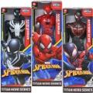 | E73295L02 | Hasbro Spiderman Titan Heroes Asst. AC/N | 4 |  | China | 010993648405; (1) Black & white 010993648399; (1) red black 010993648382; (2) Red | 50010993648405 | 9" x 5" x 13" | 2 | 0.34 | 44 | 7 | 4" x 2" x 12" | 8.3 | 44,185 | $6.45
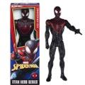 | E2346AS00 | Marvel 12" Figure Spider-Man Kid Arachnid | 8 |  | China | 630509632947 | 50630509632942 | 8" x 8" x 12" | 4 | 0.44 | 30 | 8 |  |  | 1,147 | $6.45
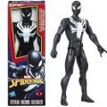 | E2344AS00 | Marvel 12" Figure Black Suit Spiderman | 8 |  | China | 630509632992 | 50630509632997 | 8" x 8" x 12" | 4 | 0.44 | 25 | 8 | 4" x 2" x 12" | 7.5 | 1,174 | $6.45
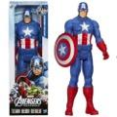 | B1669AX00 | Marvel 12" Figure Captain America | 8 |  | China | 630509280230 | 50630509280235 | 8" x 9" x 12" | 5 | 0.5 | 25 | 8 | 4" x 2" x 12" | 7.5 | 952 | $6.45
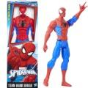 | B9760AS00 | Marvel 12" Figure - Spiderman | 8 |  | China | 630509491520 | 50630509491525 | 8" x 8" x 12" | 5 | 0.44 | 25 | 8 | 4" x 2" x 12" | 7.5 | 870 | $6.45
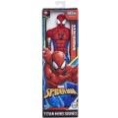 | E8522AS00 | Marvel 12" Figure Armored Spiderman | 8 |  | China | 5010993648382 | 50501099364837 | 8" x 9" x 12" | 4 | 0.5 | 25 | 8 | 4" x 2" x 12" | 7.5 | 1,093 | $6.45
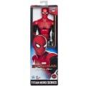 | E5766AS00 | Marvel 12" Figure Spiderman - Far From Home | 8 |  | China | 630509817870 | 50630509817875 | 8" x 8" x 12" | 4 | 0.44 | 25 | 8 | 4" x 2" x 12" | 7.5 | 350 | $6.45
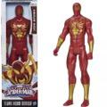 | A87260001C | Marvel 12" Figure Spiderman - Iron Spider | 8 |  | China | 653569969693 | 50653569969698 | 8" x 8" x 12" | 4 | 0.44 | 25 | 8 | 4" x 2" x 12" | 7.5 | 1,099 | $6.45
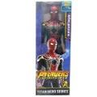 | E0570AS00E0608 | Marvel 12" Figure Spiderman - Iron Spider | 8 |  | China | 630509620180 | 50630509620185 | 8" x 8" x 12" | 4 | 0.44 | 25 | 8 | 4" x 2" x 12" | 7.5 | 1,122 | $6.45
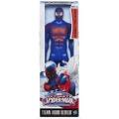 | A87260001A8729 | Marvel 12" Figure Spiderman - Ultimate Spiderman 2099 | 8 |  | China | 5010994810115 | 50501099481015 | 8" x 8" x 12" | 5 | 0.44 | 25 | 8 | 4" x 2" x 12" | 7.5 | 1,174 | $6.45
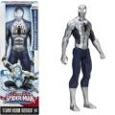 | A87260001D | Marvel 12" Figure Spiderman Silver Armor | 8 |  | China | 653569991397 | 50653569991392 | 8" x 8" x 12" | 5 | 0.44 | 25 | 8 | 4" x 2" x 12" | 7.5 | 1,128 | $6.45
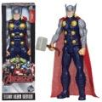 | B1670ES00 | Marvel 12" Figure Thor | 8 |  | China | 5010994852368; | 50501099485235 | 9" x 8" x 12" | 5 | 0.5 | 25 | 8 | 4" x 2" x 12" | 7.5 | 1,061 | $6.45
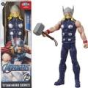 | E7879AX00 | Marvel 12" Figure Thor | 4 |  | China | 630509910175 | 50630509910170 | 8" x 5" x 12" | 2 | 0.28 | 49 | 8 | 4" x 2" x 12" | 7.5 | 1,098 | $6.45
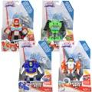 | C9967AS00 | Hasbro Transformer Playskool Heroes Rescue Bots 4pk | 4 |  | Vietnam | 630509417803; (1) Construction bot 630509371549; (1) The fire bot 630509371525; (1) Chase the police 630509417773; (1) Blades the copter | 50630509417808 | 15" x 7" x 8" | 2 | 0.48 | 18 | 12 | 7" x 3" x 11" | 9 | 1,091 | $9.75
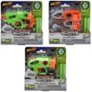 | E0489CU04 | Hasbro NERF Microshots Blaster and Combats Assortment | 6 |  | India | 630509780617; (2) Crosscut 630509780600; (2) Flipfury 630509780624; (2) Doublestrike | 50630509780612 | 12" x 6" x 8" | 2 | 0.33 | 31 | 12 | 7" x 1.75" x 7" | 5.5 | 1,947 | $5.68
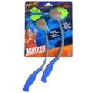 | E1892AS00 | Hasbro NERF Sports Vortex Howler Accelerator | 6 |  | China | 630509640423 | 50630509640428 | 17" x 10" x 9" | 4 | 0.88 | 12 | 10 | 8.5" x 1.5" x 10" | 9 | 853 | $5.95
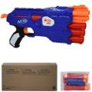 | B4619F060 | Hasbro Nerf NStrike Dual Strike | 12 |  | China | 630509445974 | 50630509445979 | 14" x 12" x 15" | 14 | 1.43 | 9 | 6 | 15" x 1.5" x 6" | 18.5 | 540 | $9.75
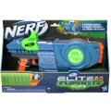 | F25492210 | Hasbro Nerf ELITE 2.0 FLIP 8 | 3 |  | China | 195166116358 | 50195166116353 | 19" x 10" x 12" | 8 | 1.32 | 10 | 8 | 18" x 3" x 11.5" | 37 | 3,526 | $10.35
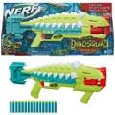 | F58552210 | Hasbro Nerf Armorstrike | 3 |  | China | 195166187396 | 50195166187391 | 24" x 10" x 11" | 8 | 1.53 | 8 | 9 | 24" x 3" x 11" | 40 | 41,646 | $10.35
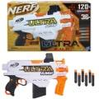 | F09542210 | Hasbro NERF Ultra AMP Motorized Blaster | 4 |  | China | 630509995240 | 50630509995245 | 18" x 11" x 12" | 10 | 1.37 | 10 | 8 | 17.5" x 2.5" x 10.7" | 38 | 946 | $13.05
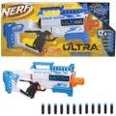 | F05022210 | Nerf Ultra Scream Machine Motorized Blaster, 12 Nerf Darts | 3 |  | China | 195166115870 | 50195166115875 | 25" x 9" x 11" | 9 | 1.43 | 9 | 8 | 24" x 3" x 10.5" | 43 | 5,277 | $14.75
 | F08072210 | Hasbro Nerf Rex Rampage | 3 |  | China | 630509992157 | 50630509992152 | 28" x 10" x 14" | 12 | 2.27 | 6 | 6 | 28" x 3" x 14" | 57 | 1,711 | $15.85
 | F15320922 | Play-Doh Slime Feathery Fluff Scented Whimsical | 8 |  | China | 195166120546; (4) Blue 195166120522; (4) Yellow | 50195166120541 | 11" x 7" x 7" | 2 | 0.31 | 21 | 13 | 6.75" x 1.25" x 6.5" | 2.6 | 9,949 | $2.38
 | F0375AT49 | Disney SD Surprise Princess 3.5" Figure W/ Articulated Arms | 24 |  | Vietnam | 630509986712 | 50630509986717 | 9" x 8" x 11" | 2 | 0.46 | 22 | 13 | 2.5" x 1.5" x 5.5" | 1 | 1,482 | $2.93
 | F2940US61 | Hasbro Play-doh JELLY LAMP | 3 |  | China | 195166146652 | 50195166146657 | 10" x 4" x 8" | 2 | 0.18 | 55 | 12 | 3" x 1.75" x 7" | 8.2 | 11,499 | $3.64
 | F14995R41 | Play-Doh Slime Dino Crew Eggs & Dinosaur Bones-Triceratops | 6 |  | China | 010993884728; (3) Egg bule green 010993884735; (3) Egg purple gold | 50010993884728 | 12" x 7" x 7" | 3 | 0.34 | 20 | 13 | 5.75" x 2" x 6.5" | 7.9 | 4,912 | $3.92
 | F3643FT20 | Play-doh Scented Multipacks | 24 | 4 | China | 195166172477; (1) Apple 195166172453; (1) Pineapple 195166145235; (1) Strawberry 195166145211; (1) Pancakes | 50195166172472 | 16" x 11" x 12" | 27 | 1.22 | 9 | 8 | 7.75" x 2.5" x 3.25" | 19 | 9,919 | $4.03
 | E9892 | Disney Frozen 2 Pop Adventures Family Game Night Pop-Up Playset with Handle | 4 |  | China | 630509947447 | 50630509947442 | 13" x 5" x 7" | 2 | 0.26 | 33 | 13 | 7" x 2" x 9" | 7.8 | 5,877 | $4.25
 | F34695X00 | Disney Princess Secret Styles Fashion Surprise Party Rapunzel in PDQ | 9 |  | Vietnam | 5010993934379 | 50501099393431 | 12" x 7" x 8" | 3 | 0.38 | 22 | 12 | 3.5" x 1.75" x 7.5" | 3.6 | 15,344 | $4.28
 | 14663 | Magic Mixies Mixlings Collector's Cauldron | 18 |  | China | 630996146590 | 50630996146595 | 10" x 7" x 12" | 4 | 0.49 | 28 | 8 | 3" x 2.75" x 3" | 3 | 1,762 | $4.85
 | F43195X00 | Disney Princess Ballet Fashion Rapunzel Doll | 4 |  | China | 5010993915316 | 50501099391536 | 9" x 4" x 13" | 2 | 0.27 | 60 | 7 | 3.2" x 2" x 12.5" | 6 | 12,008 | $5.35
 | E6709AX00 | Disney Frozen 2 Elsa Fashion Doll | 4 |  | China | 630509843497 | 50630509843492 | 9" x 7" x 13" | 3 | 0.47 | 30 | 7 | 6.5" x 2" x 12.7" | 7.1 | 66,218 | $6.47
 | E8881XE00 | Disney Frozen Musical Adventure Anna Singing Doll | 4 |  | China | 5010993684922 | 50501099368491 | 10" x 9" x 13" | 3 | 0.6 | 25 | 7 | 9" x 2" x 12.7" | 9.7 | 1,404 | $10.35
 | F2601 | Hasbro Furreal Glamalots Mermaid Puppy | 2 |  | China | 5010993833276 | 50501099383326 | 11" x 11" x 10" | 3 | 0.7 | 12 | 9 | 11" x 5.25" x 10" | 21 | 2,374 | $15.25
 | F26215S02 | Baby Alive Lulu Achoo Doll, 12-Inch with Brown Hair Interactive Doctor Play Toy | 4 |  | China | 010993871148 | 50010993871148 | 21" x 15" x 15" | 14 | 2.74 | 6 | 6 | 13.7" x 4.75" x 14" | 43 | 1,164 | $19.65
 | E5508 | Hasbro Disney Frozen II Talk And Glow Olaf And Elsa Dolls | 3 |  | China | 630509894383 | 50630509894388 | 11" x 10" x 13" | 4 | 0.83 | 16 | 7 | 11" x 3.25" x 12.5" | 20 | 26 | $22.45
 | F5237D040 | Baby Alive: Princess Ellie Grows Up! - Brunnette | 2 |  | China | 195166204772 | 50195166204777 | 15" x 7" x 16" | 7 | 0.97 | 15 | 6 | 14" x 4.5" x 15.5" | 50 | 707 | $25.20
 | E9711 | Hasbro My Little Pony Unicorn Party Present | 6 |  | China | 5010993725205 | 50501099372528 | 12" x 10" x 9" | 7 | 0.69 | 16 | 10 | 12" x 1.5" x 8" | 17.7 | 754 | $9.25
 | F24545X00 | MLP Crystal Adventure Ponies Sunny | 6 |  | China | 5010993836611 | 50501099383661 | 10" x 7" x 7" | 2 | 0.28 | 24 | 13 | 7" x 1.5" x 6" | 5 | 83,545 | $3.64
 | F24535X00 | MLP Crystal Adventure Ponies Petals | 6 |  | Vietnam | 5010993836628 | 50501099383661 | 10" x 7" x 7" | 2 | 0.28 |  | 13 | 7" x 1.5" x 6" | 5 | 15,600 | $4.03
 | F17945L00 | Hasbro My little Pony RAINBOW REVEAL SUNNY | 4 |  | Vietnam | 5010993837045; 13 dijitos upc. | 50501099383708 | 11" x 10" x 9" | 4 | 0.57 | 16 | 10 | 10" x 2.5" x 8" | 12.8 | 12,162 | $6.23
 | 72195 | My Little Pony Small Plush Asst with hang tag in PDQ | 8 |  | China | 886144722097; (2) Zipp 886144721922; (3) Sunny star 886144721939; (3) Izzy moonbow | 50886144722092 | 10" x 9" x 8" | 2 | 0.42 | 25 | 10 | 2.5" x 4" x 6" | 1.8 | 1,607 | $6.45
 | F20325L00 | MLP Movie Unicorn Charms Izzy | 4 |  | Vietnam | 5010993844602 | 50501099384460 | 10" x 10" x 10" | 3 | 0.58 | 16 | 9 | 10" x 2.5" x 8" | 11 | 15,917 | $6.45
 | F3870S091 | MLP See Your Sparkle Izzy Moonbow | 3 |  | Vietnam | 501094167509 | 50501094167501 | 10" x 10" x 11" | 3 | 0.6 | 20 | 8 | 10" x 3.25" x 10" | 15 | 20,621 | $6.45
 | F33295L22 | Hasbro My little Pony SPARKLE REVEAL LANTERN | 4 |  | China | 5010994162122; (13 number upc) | 50501099416215 | 11" x 10" x 11" | 5 | 0.7 | 16 | 8 | 10" x 2.75" x 10.2" | 18 | 3,976 | $7.60
 | C3646AF00 | Hasbro My Little Pony The Movie Seapony 8pcs set Princess Skystar, Rainbow Dash, Pinkie Pie, 5 accs | 39 |  | China | 630509604562 | 50630509604567 | 30" x 18" x 10" | 25 | 3.29 | 6 | 5 | 14" x 2" x 9" | 6.6 | 2,369 | $8.65
 | F38675S01 | My Little Pony Musical Mane Melody | 8 |  | Vietnam | 5010994109691 | 50501099410961 | 24" x 21" x 13" | 23 | 3.8 | 4 | 7 | 20" x 2.75" x 12" | 37 | 1,772 | $14.15
 |  |  |  |  |  |  |  |  |  |  |  |  |  |  | 593,266

